Sheet1
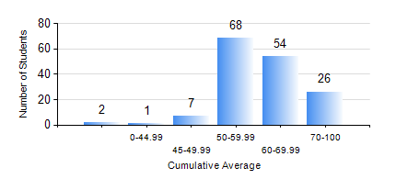
 |  |  | KWAME NKRUMAH UNIVERSITY OF SCIENCE AND TECHNOLOGY, KUMASI Department of Computer Engineering

 |  |  | BSC. COMPUTER ENG.

 |  |  | COMPREHENSIVE RECORD OF EXAMINATION RESULTS

 |  |  | RESULTS OF YEAR 3 SECOND SEMESTER, 2021/2022 ACADEMIC YEAR

 | Sn | Course Code |  | Course Name | Credit Hours | Min. Mark | Max. Mark | Avg. Mark | Std. Dev. | No. Passed | No. Trailed | No. (Df) | No. (I) | No. (I*) | No. Tagged(I,I*,Df) | Total
 | 0. |  |  |  |  |  |  | 0 | 0 | 0 | 0 | 0 | 0 | 0 | 0 | 8
 | 1. | COE 292 |  | COMPUTER ENGINEERING LAB II | 2 | 74 | 75 | 74 | 0.71 | 2 | 0 | 0 | 0 | 0 | 0 | 2
 | 2. | COE 354 |  | OPERATING SYSTEMS | 4 | 3 | 80 | 49 | 15.51 | 137 | 13 | 0 | 0 | 0 | 0 | 150
 | 3. | COE 356 |  | INTRODUCTION TO SOFTWARE ENG. | 3 | 25 | 100 | 72 | 15.29 | 148 | 1 | 1 | 0 | 0 | 1 | 150
 | 4. | COE 358 |  | EMBEDDED SYSTEMS | 3 | 6 | 80 | 45 | 14.7 | 132 | 18 | 0 | 0 | 0 | 0 | 150
 | 5. | COE 368 |  | DATABASE AND INFORMATION RETRIEVAL | 3 | 21 | 89 | 59 | 15.35 | 138 | 12 | 0 | 0 | 0 | 0 | 150
 | 6. | COE 382 |  | DIGITAL COMPUTER DESIGN | 3 | 0 | 99 | 50 | 21.62 | 129 | 21 | 0 | 0 | 0 | 0 | 150
 | 7. | COE 392 |  | AUTOTRONIC LAB. | 2 | 0 | 94 | 78 | 12.77 | 146 | 3 | 1 | 0 | 0 | 1 | 150

